MAF calculation
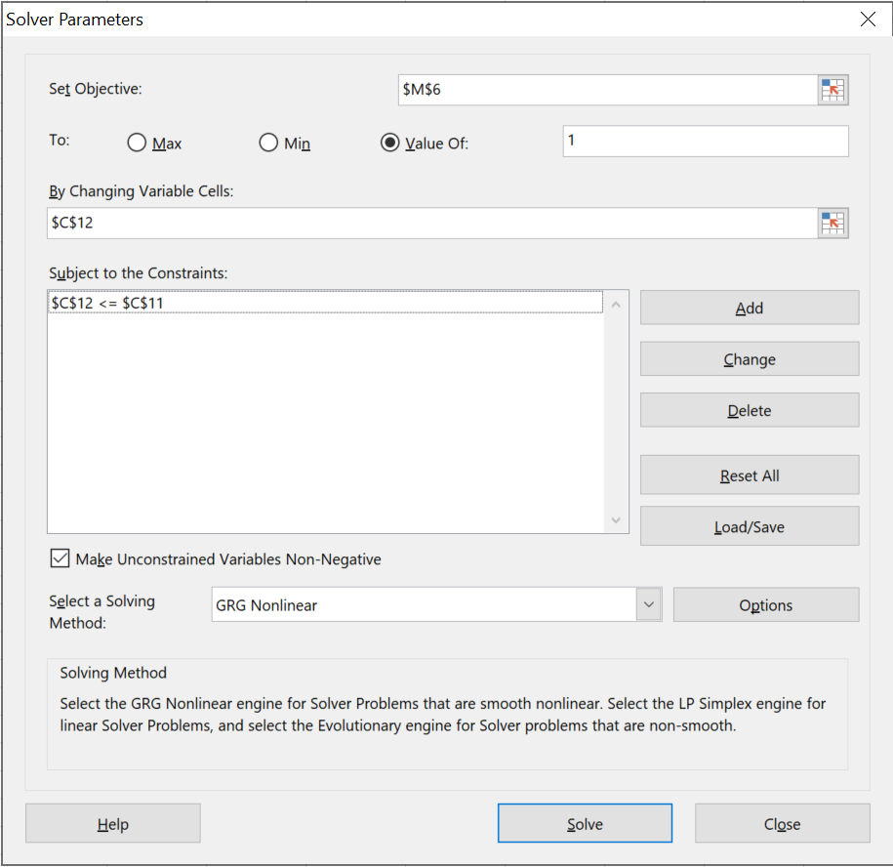
 |  |  |  |  |  |  |  |  |  |  |  | Version 1.0
Name | S1 | S2 | S3 | S4 | S5 | S6 | S7 | S8 | S9 | S10 | Sum
RCR | 0.8 | 0.3000 | 0.3000 | 0.1000 | 0.0100 | 0.0100 | 0.0100 | 0.0100 | 0.0100 | 0.01 | 1.56 | <- the original RCR of each mixture component
% of RCR sum | 51.3 | 19.2 | 19.2 | 6.4 | 0.6 | 0.6 | 0.6 | 0.6 | 0.6 | 0.6 | 100.00 | <- percent contribution of each compound to the sum of RCR's
RCR (RM) | 0.800 | 0.300 | 0.300 | 0.100 | 0.010 | 0.010 | 0.010 | 0.010 | 0.010 | 0.010 | 1.56 | <- the original RCR of the mixture, after single-substance risk mitigation so that each individual RCR<=1.0.
RCR_MAF(Exact, Ceiling) | 0.280 | 0.280 | 0.280 | 0.100 | 0.010 | 0.010 | 0.010 | 0.010 | 0.010 | 0.010 | 1.00 | <- the distribution of RCR values after applying MAF(Exact,Ceiling)
RF_MAF (Exact, Ceiling) | 2.857 | 1.071 | 1.071 | 1.000 | 1.000 | 1.000 | 1.000 | 1.000 | 1.000 | 1.000 |  | <- Reduction Factors for each mixture component, resulting from the application of MAF(Exact,Ceiling)
RCR_MAF(Exact, Factor) | 0.513 | 0.192 | 0.192 | 0.064 | 0.006 | 0.006 | 0.006 | 0.006 | 0.006 | 0.006 | 1.00 | <- the distribution of RCR values after applying MAF(Exact,Factor)
RF_MAF(Exact, Factor) | 1.560 | 1.560 | 1.560 | 1.560 | 1.560 | 1.560 | 1.560 | 1.560 | 1.560 | 1.560 |  | <- Reduction Factors for each mixture component, resulting from the application of MAF(Exact,Factor)

n | 10 |  |  |  |  |  |  |  |  |  |  | <- number of mixture components
MAF(Exact, Ceiling) | 3.57 |  |  |  |  |  |  |  |  |  |  | <- Final MAF (Exact, Ceiling)
MAF(Exact, Factor) | 1.56 |  |  |  |  |  |  |  |  |  |  | <- Final MAF(Exact, Factor)
NAS (Exact,Ceiling) | 3 |  |  |  |  |  |  |  |  |  |  | <- number of affected substances after applying MAF(Exact, Ceiling)
NAS (Exact,Factor) | 10 |  |  |  |  |  |  |  |  |  |  | <- number of affected substances after applying MAF(Exact, Factor)
MCR | 1.95 |  |  |  |  |  |  |  |  |  |  | <- MCR

The initial values are taken from table 1 of Backhaus (2022) "The Mixture Assessment or Allocation Factor: conceptual background, estimation algorithms and a case study example"

Name | Name of the mixture component
RCR | Risk Characterisation Ratio of an individual compound (e.g. PEC/PNEC or exposure/DNEL)
RCR sum | Sum of the RCR values of all mixture components
n | Number of compounds in the mixture
RCR(RM) | RCR after applying single-substance oriented risk mitigation measures, so that no individual RCR exceeds 1
MAF(Exact, Ceiling) | MAF that leads to an RCR sum of 1.0, implemented by setting a maximum upper RCR for each mixture component at 1/MAF(Exact, Ceiling)
MAF(Exact, Factor) | MAF that leads to an RCR sum of 1.0, implemented by dividing the RCR(RM) of every mixture component by MAF(Exact, Factor)
RCR_MAF(Exact, Ceiling) | RCR value of an individual component, after applying MAF(Exact, Ceiling)
RCR_MAF(Exact, Factor) | RCR value of an individual component, after applying MAF(Exact, Factor)
NAS (Exact,Ceiling) | Number of substances affected by applying MAF(Exact, Ceiling), i.e. substances with RCR>1/MAF(Exact, Ceiling)
NAS (Exact,Factor) | Number of substances affected by applying MAF(Exact, Factor), which always equals n
RF_MAF(Exact, Ceiling) | Reduction factor resulting from the application of MAF(Exact, Ceiling). This is the factor by which the RCR of a given substance is reduced beyond the original RCR or the currently maximum acceptable level of RCR=1.0 (whichever is smaller)
 | Cell content is colored red if the RF is > 1
RF_MAF(Exact, Factor) | Reduction factor resulting from the application of MAF(Exact, Ceiling). This is the factor by which the RCR of a given substance is reduced beyond the original RCR or the currently maximum acceptable level of RCR=1.0 (whichever is smaller)
 | Cell content is colored red if the RF is > 1
MCR | Maximum Cumulative Ratio, RCR sum / max(RCR)

Setup of the solver
The excel solver can be found in the "DATA" tab, on the very right hand side
If the solver is not yet installed, please see here: https://support.microsoft.com/en-us/office/load-the-solver-add-in-in-excel-612926fc-d53b-46b4-872c-e24772f078ca

RCR distribution
S1 | 0.00 | 0.8
S2 | 0.80 | 0.3
S3 | 1.10 | 0.3
S4 | 1.40 | 0.1
S5 | 1.50 | 0.01
S6 | 1.51 | 0.01
S7 | 1.52 | 0.01
S8 | 1.53 | 0.01
S9 | 1.54 | 0.01
S10 | 1.55 | 0.01

S1 | 0.00E+00 | 0.8
S2 | 8.00E-01 | 0.3
S3 | 1.10E+00 | 0.3
S4 | 1.40E+00 | 0.1
S5 | 1.50E+00 | 0.01
S6 | 1.51E+00 | 0.01
S7 | 1.52E+00 | 0.01
S8 | 1.53E+00 | 0.01
S9 | 1.54E+00 | 0.01
S10 | 1.55E+00 | 0.01

S1 | 0.00 | 0.28
S2 | 0.28 | 0.28
S3 | 0.56 | 0.28
S4 | 0.84 | 0.10
S5 | 0.94 | 0.01
S6 | 0.95 | 0.01
S7 | 0.96 | 0.01
S8 | 0.97 | 0.01
S9 | 0.98 | 0.01
S10 | 0.99 | 0.01

